InceptionV3
Inception V3

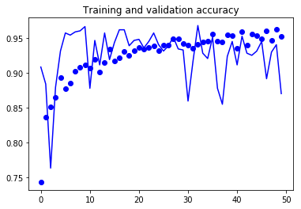
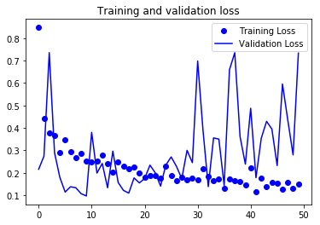
 | Params |  |  |  | Results
 | Data |  | Model
1 | Augmentation | training | Last layer | mixed5 | best epoch | 10 | Comments
 | size | 150,150 | Dense | 1024 | val loss | 0.0965 | overfitting after the 10th epochs
 | batch size | 20 | Dropout | 0.5 | val acc | 0.9664
 | split ration | 0.7 | optimizer | RMSprop
 |  |  | lr | 0.0001
 |  |  | loss | binary_crossentropy

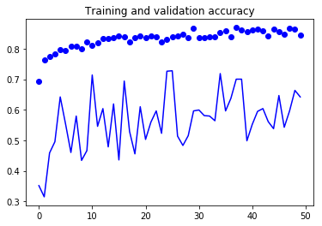
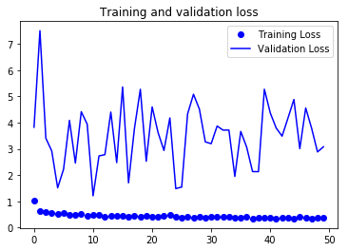
2 | Augmentation | training | Last layer | base model output | best epoch | 26
 | size | 150,150 | Dense | 1024 | val loss | 1.5425
 | batch size | 20 | Dropout | 0.5 | val acc | 0.7278
 | split ration | 0.7 | optimizer | RMSprop
 |  |  | lr | 0.0001
 |  |  | loss | binary_crossentropy

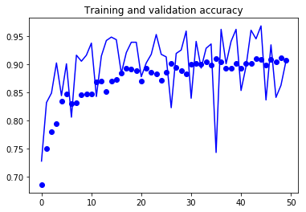
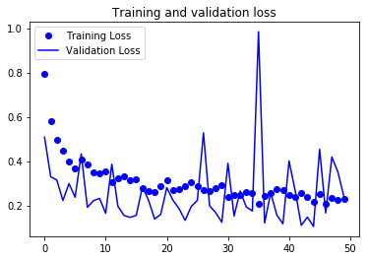
3 | Augmentation | training | Last layer | conv2d_54 | best epoch | 43
 | size | 150,150 | Dense | 1024 | val loss | 0.1105
 | batch size | 20 | Dropout | 0.5 | val acc | 0.9602
 | split ration | 0.7 | optimizer | RMSprop
 |  |  | lr | 0.0001
 |  |  | loss | binary_crossentropy

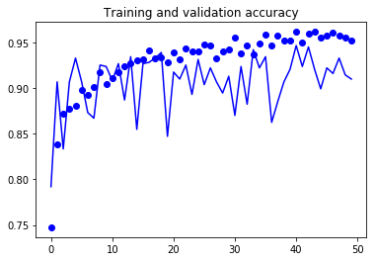
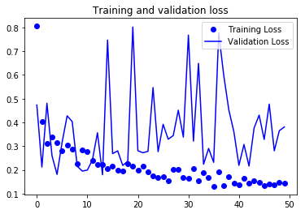
4 | Augmentation | training & validation | Last layer | mixed5 | best epoch | 41
 | size | 150,150 | Dense | 1024 | val loss | 0.2191
 | batch size | 20 | Dropout | 0.5 | val acc | 0.9465
 | split ration | 0.7 | optimizer | RMSprop
 |  |  | lr | 0.0001
 |  |  | loss | binary_crossentropy

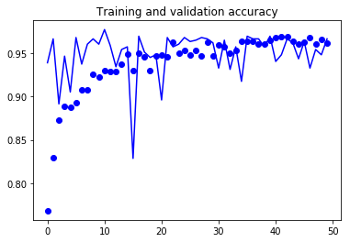
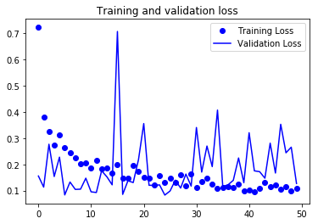
5 | Augmentation | training | Last layer | mixed5 | best epoch | 11
 | size | 150,150 | Dense | 1024 | val loss | 0.095
 | batch size | 20 | Dropout | 0.2 | val acc | 0.9771
 | split ration | 0.7 | optimizer | RMSprop
 |  |  | lr | 0.0001
 |  |  | loss | binary_crossentropy

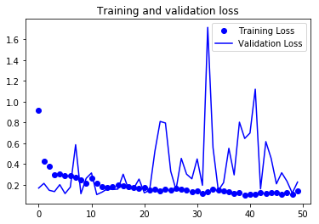
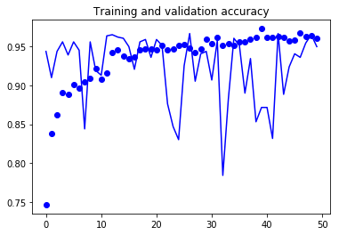
6 | Augmentation | training | Last layer | mixed5 | best epoch | 27
 | size | 150,150 | Dense | 2056 | val loss | 0.1511
 | batch size | 20 | Dropout | 0.2 | val acc | 0.9664
 | split ration | 0.7 | optimizer | RMSprop
 |  |  | lr | 0.0001
 |  |  | loss | binary_crossentropy

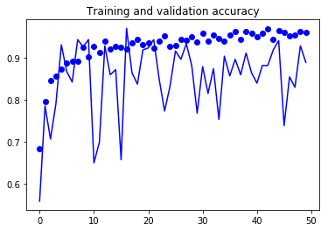
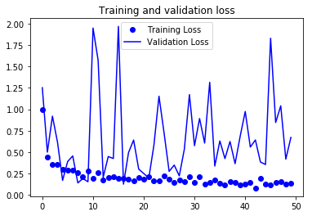
7 | Augmentation | training | Last layer | mixed5 | best epoch | 17
 | size | 150,150 | Dense | 1024 | val loss | 0.1258
 | batch size | 20 | Dropout | 0.2 | val acc | 0.9704
 | split ration | 0.7 | optimizer | RMSprop
 | data set | equal size | lr | 0.0001
 |  |  | loss | binary_crossentropy

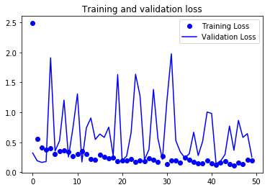
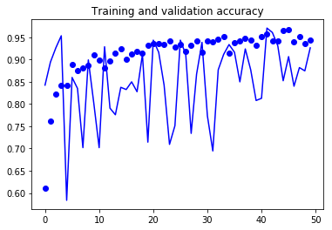
8 | Augmentation | training | Last layer | mixed5 | best epoch | 42
 | size | 150,150 | Dense | 1024 | val loss | 0.1414
 | batch size | 20 | Dropout | 0.4 | val acc | 0.9704
 | split ration | 0.7 | optimizer | RMSprop
 | data set | equal size | lr | 0.0001
 |  |  | loss | binary_crossentropy

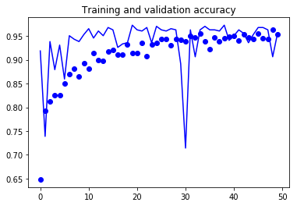
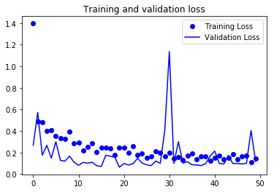
9 | Augmentation | training | Last layer | mixed4 | best epoch | 20
 | size | 150,150 | Dense | 1024 | val loss | 0.0641
 | batch size | 20 | Dropout | 0.4 | val acc | 0.9729
 | split ration | 0.7 | optimizer | RMSprop
 | data set | equal size | lr | 0.0001
 |  |  | loss | binary_crossentropy

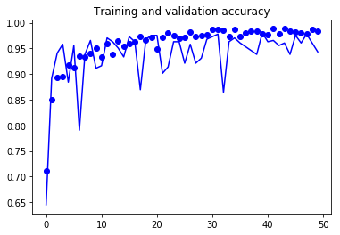
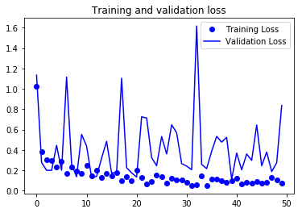
9 | Augmentation | training | Last layer | mixed5, freeze until mixed 4 | best epoch | 40
 | size | 150,150 | Dense | 1024 | val loss | 0.1114
 | batch size | 20 | Dropout | 0.4 | val acc | 0.9803
 | split ration | 0.7 | optimizer | RMSprop
 | data set | equal size | lr | 0.0001
 |  |  | loss | binary_crossentropy

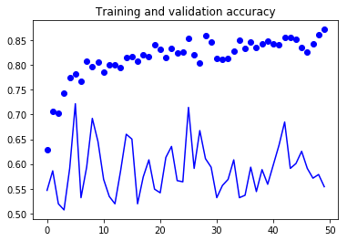
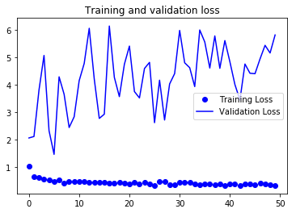
10 | Augmentation | training | Last layer | full | best epoch | 6
 | size | 150,150 | Dense | 1024 | val loss | 1.4728
 | batch size | 20 | Dropout | 0.2 | val acc | 0.7217
 | split ration | 0.7 | optimizer | RMSprop
 | data set | equal size | weights | imagenet
 |  |  | freeze | all

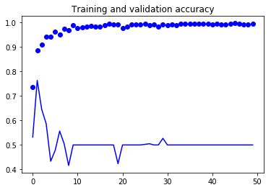
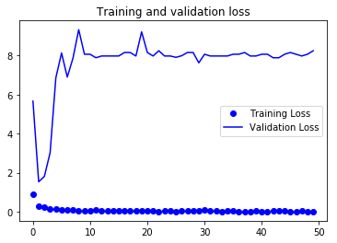
11 | Augmentation | training | Last layer | full | best epoch | 2
 | size | 150,150 | Dense | 1024 | val loss | 1.5343
 | batch size | 20 | Dropout | 0.2 | val acc | 0.7635
 | split ration | 0.7 | optimizer | RMSprop
 | data set | equal size | weights | imagenet
 |  |  | freeze | none

ResNet50
ResNet50

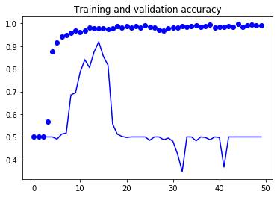
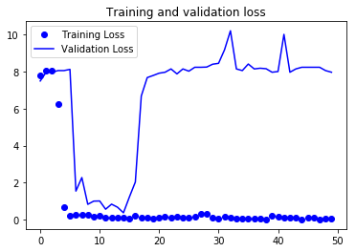
 | Params |  |  |  | Results
 | Data |  | Model
1 | Augmentation | training | Last layer | full | best epoch | 21
 | size | 150,150 | Dense | 1024 | val loss | 0.3707
 | batch size | 20 | Dropout | 0.2 | val acc | 0.9187
 | split ration | 0.7 | optimizer | RMSprop, 0.0001
 |  |  | weights | imagenet
 |  |  | freeze | none

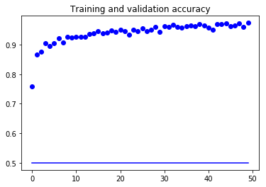
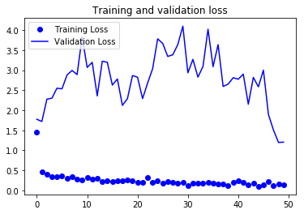
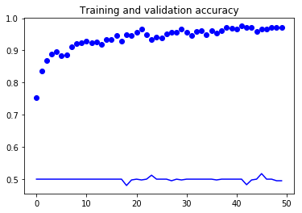
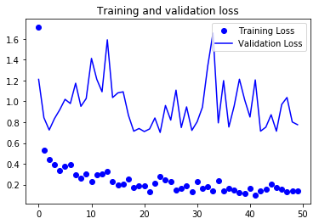
2 | Augmentation | training | Last layer | full | best epoch
 | size | 150,150 | Dense | 1024 | val loss | 1.2
 | batch size | 20 | Dropout | 0.2 | val acc | 0.5
 | split ration | 0.7 | optimizer | RMSprop, 0.0001
 |  |  | weights | imagenet
 |  |  | freeze | all

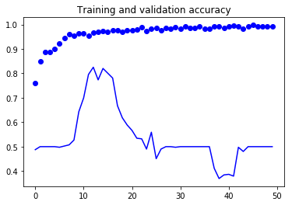
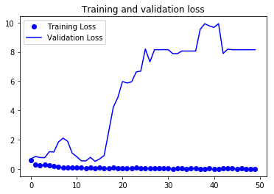
3 | Augmentation | training | Last layer | full | best epoch | 21
 | size | 150,150 | Dense | 1024 | val loss | 0.5227
 | batch size | 20 | Dropout | 0.2 | val acc | 0.8202
 | split ration | 0.7 | optimizer | RMSprop, 0.00001
 |  |  | weights | imagenet
 |  |  | freeze | none

VGG16
VGG16

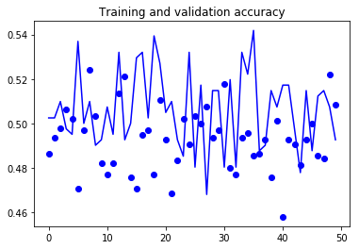
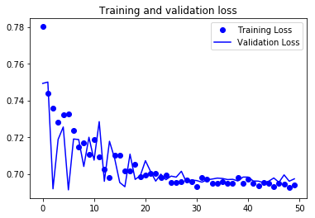
 | Params |  |  |  | Results
 | Data |  | Model
1 | Augmentation | training | Last layer | full | best epoch
 | size | 150,150 | Dense | 1024 | val loss
 | batch size | 20 | Dropout | 0.2 | val acc
 | split ration | 0.7 | optimizer | RMSprop, 0.0001
 |  |  | weights | imagenet
 |  |  | freeze | all

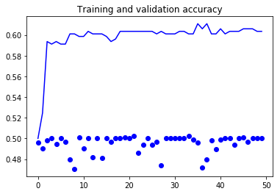
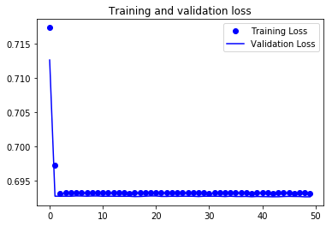
2 | Augmentation | training | Last layer | full | best epoch
 | size | 150,150 | Dense | 1024 | val loss
 | batch size | 20 | Dropout | 0.2 | val acc
 | split ration | 0.7 | optimizer | RMSprop, 0.0001
 |  |  | weights | imagenet
 |  |  | freeze | 10

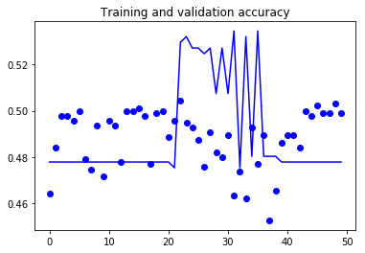
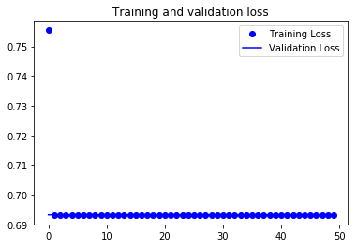
3 | Augmentation | training | Last layer | full | best epoch
 | size | 150,150 | Dense | 1024 | val loss
 | batch size | 20 | Dropout | 0.2 | val acc
 | split ration | 0.7 | optimizer | RMSprop, 0.0001
 |  |  | weights | imagenet
 |  |  | freeze | none

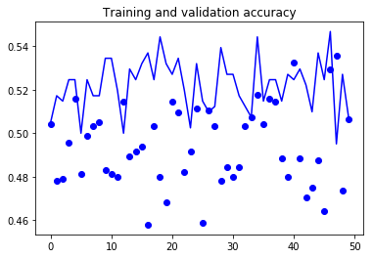
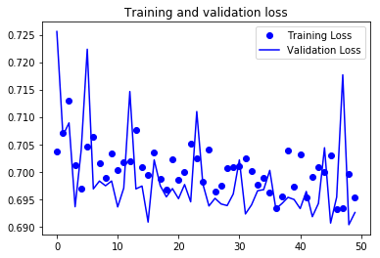
3 | Augmentation | training | Last layer | full | best epoch
 | size | 150,150 | Dense | 1024 | val loss
 | batch size | 20 | Dropout | 0.2 | val acc
 | split ration | 0.7 | optimizer | RMSprop, 0.0001
 |  |  | weights | imagenet
 |  |  | freeze | 6

